SnowFlake stage
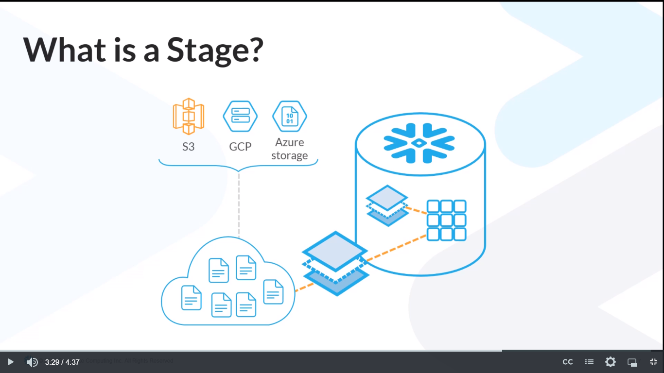

internal stage
long-term storage

external stage

Instead, Snowflake stages are more like cloud folders or directories where you place files so that Snowflake services can pick them up and pull them into database structures quickly and securely.

Snowflake has two types of stages.
There are internal stages which act almost like directories inside a Snowflake account's local storage.
There are also external stages and these stages act more like a secure gateway between cloud storage services and Snowflake services.
cloud storage services: Amazon S3, Google Cloud Platform, and Azure Blob storage directories.

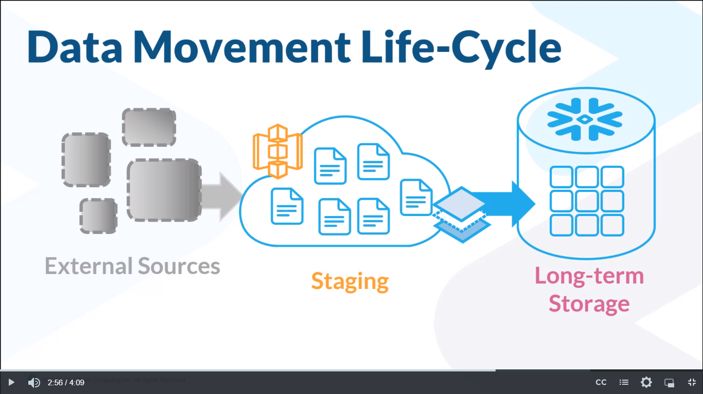

When working in a real-world warehouse, workers might refer to deliveries.
But in Snowflake, we'll call it pre-stage data movement, where the data being moved is coming from sources external to Snowflake.

When it comes to loading data into an S3 bucket, the cloud provider decides what methods you can use to get your external data loaded into your cloud directory.
Amazon provides three applications.
 | They have an FTP tool called Amazon Transfer for SFTP.
 | They have a command line interface called Amazon CLI.
 | And they also have their standard web browser interface.

real-world warehouse
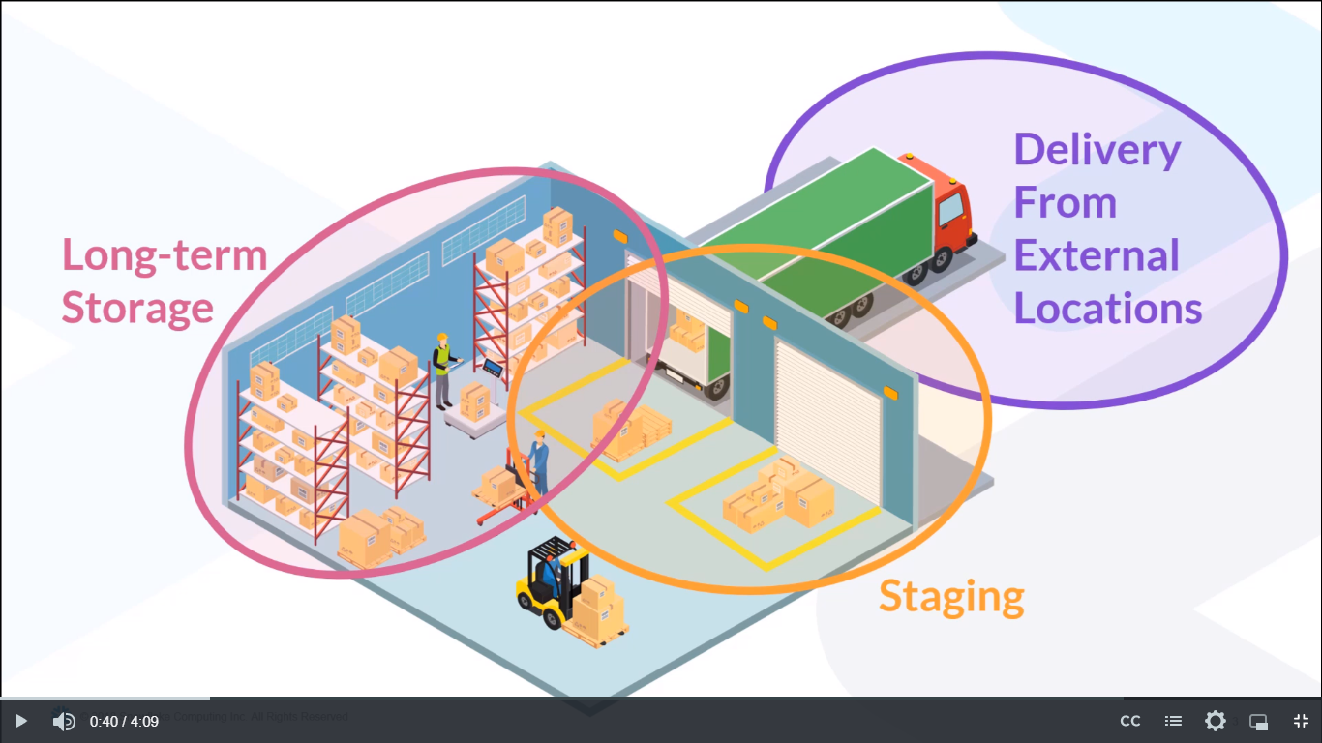

ĐỊNH NGHĨA VÀ CÁC KHÁI NIỆM WH

Lesson 10
An explosion in data volume since the rise of the internet and social media has led to a need for some structural innovations in the way data is collected, transferred, and stored.

For decades, databases were populated with data that came into the system in CSV or TSV files.
The data was often coming from spreadsheets or other databases.

As data volumes increased, and the data sources were more often websites or mobile applications, traditional ingestion methods and storage structures couldn't keep up with the data flow.

These new forms of data were foreign to most database developers, so suddenly, data scientists were in very high demand.
Many companies were either unable to afford data scientists, or found them hard to recruit. Without data scientists on staff, many companies weren't able to gain insights from modern data they might otherwise want to explore.

Then Snowflake introduced a set of tools that made semi-structured data much easier to work with, and opened up vast data stores that companies could access via their on-staff database developers.
Snowflake tools allow you to import five popular semi-structured data formats: JSON, XML, Parquet, Avro and ORC can all be set up for ingestion in minutes using Snowflake's Variant data type.

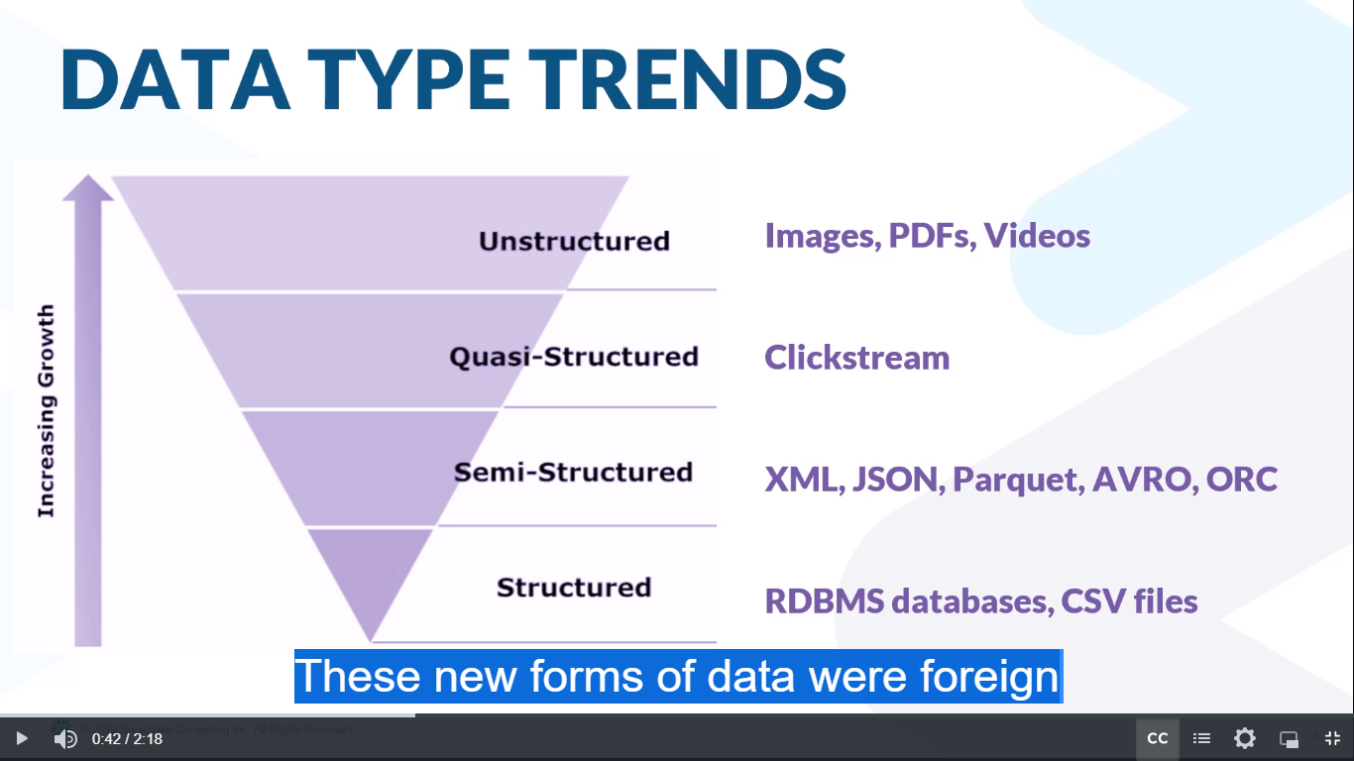

These new forms of data were foreign to most database developers, so suddenly, data scientists were in very high demand.

NOTE:
“DML” stands for “Data Manipulation Language.” When you run DML statements like SELECT statements, INSERT, UPDATE, or DELETE, you are manipulating the data.

NOTE:
This file called “DDL” which is short for “Data Definition Language.”
In this first step we are defining two new data objects. One is a table and the other is a file format.
SQL commands that are meant to DEFINE objects are in a category called DDL.

nesting
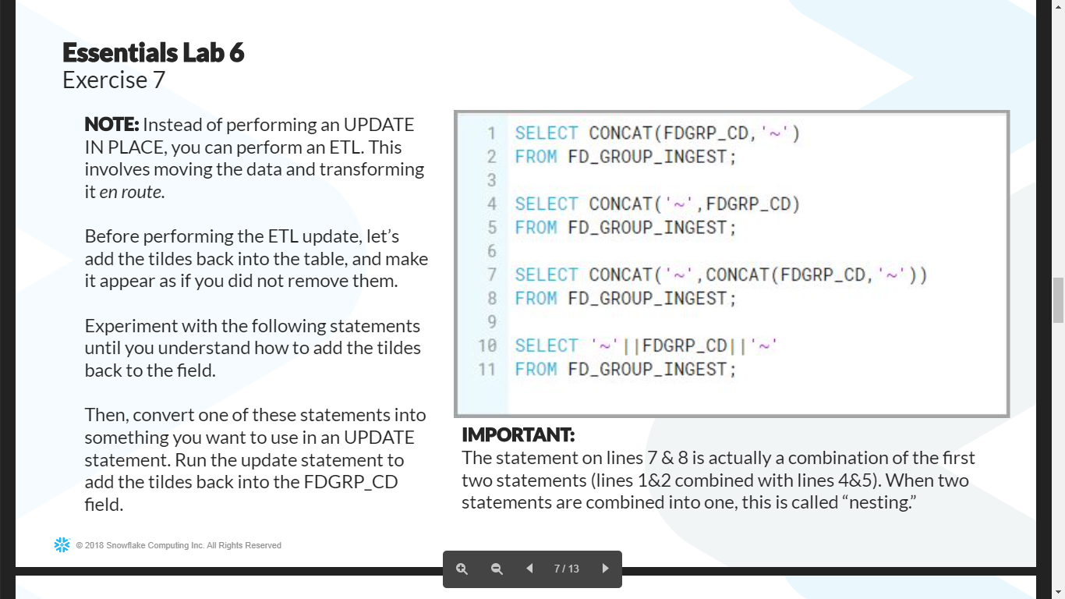

The statement on lines 7 & 8 is actually a combination of the first two statements (lines 1&2 combined with lines 4&5).
When two statements are combined into one, this is called “nesting.”

nested data
